IRC1a
TA Feedback Rating (Average)
2026 SGOD PERFORMANCE MONITORING AND EVALUATION SYSTEM (SGOD PMES)
Individual Report Card No. 1a
Direction: Indicate the Monthly Customers Feedback Rating.
TA Indicators | Rating |  |  |  |  |  |  |  |  |  |  |  | Ave.
 | Jan | Feb | Mar | Apr | May | Jun | July | Aug | Sept | Oct | Nov | Dec
1) Observes the schedule. |  | 4.000 | 4.000 | 4.000 | 3.960 |  |  |  |  |  |  |  | 3.990
2) Establishes the objectives of the Technical Assistance. |  | 3.880 | 4.000 | 3.940 | 3.960 |  |  |  |  |  |  |  | 3.945
3) Uses necessary tools/process/procedure for the conduct of TA. |  | 3.880 | 4.000 | 4.000 | 4.000 |  |  |  |  |  |  |  | 3.970
4) Provide relevant, timely and appropriate Technical Assistance. |  | 4.000 | 4.000 | 4.000 | 3.960 |  |  |  |  |  |  |  | 3.990
5) Understand the situation of schools in case may be, their needs, aspirations, plans, strength and weaknesses. |  | 3.880 | 4.000 | 3.940 | 4.000 |  |  |  |  |  |  |  | 3.955
6) Recommends/suggests points for improvement. |  | 4.000 | 4.000 | 4.000 | 3.960 |  |  |  |  |  |  |  | 3.990
7) Provides constructive feedback and establishes a cordial atmosphere in giving of feedback. |  | 4.000 | 4.000 | 4.000 | 3.960 |  |  |  |  |  |  |  | 3.990
8) Skills and competencies of the TA provider. |  | 4.000 | 4.000 | 4.000 | 3.960 |  |  |  |  |  |  |  | 3.990
9) Processes the results of the Technical Assistance. |  | 3.880 | 4.000 | 4.000 | 4.000 |  |  |  |  |  |  |  | 3.970
10) General view of the provision of the Technical Assistance. |  | 4.000 | 4.000 | 4.000 | 4.000 |  |  |  |  |  |  |  | 4.000
Average | #DIV/0! | 3.952 | 4.000 | 3.988 | 3.976 | #DIV/0! | #DIV/0! | #DIV/0! | #DIV/0! | #DIV/0! | #DIV/0! | #DIV/0! | 3.979
Descriptive Value | #DIV/0! | Very Satisfactory | Very Satisfactory | Very Satisfactory | Very Satisfactory | #DIV/0! | #DIV/0! | #DIV/0! | #DIV/0! | #DIV/0! | #DIV/0! | #DIV/0! | Very Satisfactory
MONTHLY TA FEEDBACK RATING (CY2025)
1-B. Select the three "lowest" TA Indicators from the list. |  |  | 1-C. Based on customer feedback, please list down one positive aspect and, if applicable, one opportunity for improvement (OFI).
TA Indicators | Ave. |  | + | Ms. Arian is easy to approach. She is always ready to help me improve and gives advice without hesitation. Thank you much po.
3) Uses necessary tools/process/procedure for the conduct of TA. | 3.970
2) Establishes the objectives of the Technical Assistance. | 3.945 |  | - | None
4) Provide relevant, timely and appropriate Technical Assistance. | 3.990

Prepared by: |  |  |  |  |  |  |  |  |  | Checked by:

ARIAN MARIE B. SORIANO |  |  |  |  |  |  |  |  |  | DR. JONATHAN P. DOMINGO
Nurse II |  |  |  |  |  |  |  |  |  | SGOD Chief

TA Indicators | Ave.
1) Observes the schedule. | 3.990
2) Establishes the objectives of the Technical Assistance. | 3.945
3) Uses necessary tools/process/procedure for the conduct of TA. | 3.970
4) Provide relevant, timely and appropriate Technical Assistance. | 3.990
5) Understand the situation of schools in case may be, their needs, aspirations, plans, strength and weaknesses. | 3.955
6) Recommends/suggests points for improvement. | 3.990
7) Provides constructive feedback and establishes a cordial atmosphere in giving of feedback. | 3.990
8) Skills and competencies of the TA provider. | 3.990
9) Processes the results of the Technical Assistance. | 3.970
10) General view of the provision of the Technical Assistance. | 4.000

TA Indicators | Ave.
2) Establishes the objectives of the Technical Assistance. | 3.945
5) Understand the situation of schools in case may be, their needs, aspirations, plans, strength and weaknesses. | 3.955
3) Uses necessary tools/process/procedure for the conduct of TA. | 3.970
9) Processes the results of the Technical Assistance. | 3.970
1) Observes the schedule. | 3.990
4) Provide relevant, timely and appropriate Technical Assistance. | 3.990
6) Recommends/suggests points for improvement. | 3.990
7) Provides constructive feedback and establishes a cordial atmosphere in giving of feedback. | 3.990
8) Skills and competencies of the TA provider. | 3.990
10) General view of the provision of the Technical Assistance. | 4.000

IRC1b
2026 SGOD PERFORMANCE MONITORING AND EVALUATION SYSTEM (SGOD PMES)
Individual Report Card No. 1b
Direction: Indicate the Number of Customers Served monthly.
Number of Customers Served
 | Number
Jan
Feb | 8
Mar | 2
Apr | 17
May | 27
Jun
Jul
Aug
Sep
Oct
Nov
Dec
Total | 54
Month | Number
Jan
Feb | 8
Mar | 2
Apr | 17
May | 27
Jun
Jul
Aug
Sep
Oct
Nov
Dec
Total | 54

Prepared by: |  | Checked by:

ARIAN MARIE B. SORIANO |  | DR. JONATHAN P. DOMINGO
Nurse II |  | SGOD Chief

IRC2a
2026 SGOD PERFORMANCE MONITORING AND EVALUATION SYSTEM (SGOD PMES)
Individual Report Card No. 2a
Direction: Determine the Number of Schools Provided with TA.
1 | Antipolo City Senior High School | TRUE
2 | Antipolo City SPED Center | FALSE
3 | Antipolo National Science and Technology HS | TRUE
4 | Antipolo NHS | TRUE
5 | Apia Integrated School | TRUE
6 | Bagong Nayon I ES | FALSE
7 | Bagong Nayon II ES | FALSE
8 | Bagong Nayon II NHS | TRUE
9 | Bagong Nayon IV ES | FALSE
10 | Binayoyo Integrated School | TRUE
11 | Cabading ES | TRUE
12 | Calawis ES | FALSE
13 | Calawis NHS | TRUE
14 | Canumay ES | FALSE
15 | Canumay NHS | FALSE
16 | Cupang ES | FALSE
17 | Cupang ES Annex | FALSE
18 | Cupang NHS | TRUE
19 | Dalig ES | FALSE
20 | Dalig NHS | FALSE
21 | Dela Paz ES | FALSE
22 | Dela Paz NHS | FALSE
23 | Inuman ES | TRUE
24 | Isaias S. Tapales ES | FALSE
25 | Jesus S. Cabarrus ES | FALSE
26 | Juan Sumulong ES | FALSE
27 | Kaila ES | FALSE
28 | Kaysakat ES | FALSE
29 | Kaysakat NHS | FALSE
30 | Knights of Columbus ES | TRUE
31 | Libis ES | FALSE
32 | Lores ES | FALSE
33 | Mambugan I ES | FALSE
34 | Mambugan II ES | FALSE
35 | Mambugan NHS | FALSE
36 | Marcelino M. Santos NHS | TRUE
37 | Maximo L. Gatlabayan MNHS | FALSE
38 | Mayamot ES | FALSE
39 | Mayamot NHS | TRUE
40 | Muntindilaw ES | TRUE
41 | Muntindilaw NHS | FALSE
42 | Nazarene Ville ES | FALSE
43 | Old Boso-Boso ES | TRUE
44 | Old Boso-Boso NHS | TRUE
45 | Paglitaw ES | TRUE
46 | Pantay ES | FALSE
47 | Peace Village ES | TRUE
48 | Peñafrancia ES | FALSE
49 | Peñafrancia ES Annex | FALSE
50 | Rizza ES | FALSE
51 | Rizza NHS | FALSE
52 | San Antonio Village ES | FALSE
53 | San Isidro ES | FALSE
54 | San Isidro NHS | TRUE
55 | San Jose NHS | TRUE
56 | San Joseph ES | FALSE
57 | San Juan NHS | TRUE
58 | San Luis ES | TRUE
59 | San Roque NHS | TRUE
60 | San Ysiro ES | FALSE
61 | Sapinit ES | TRUE
62 | Sta. Cruz ES | FALSE
63 | Sumilang ES | FALSE
Percentage of Schools Provided with TA
64 | Taguete ES | FALSE
65 | Tanza ES | TRUE
66 | Teofila Z. Rovero MES | FALSE
67 | Upper Kilingan ES | TRUE
 | Total | 26
 | Percentage | 39

 | DEDP Priority Elementary Schools | 3
 | DEDP Priority Secondary Schools | 4
Total No. of DEDP Priority Schools Provided with TA |  | 7
Percentage |  | 27 | DEDP Priority Schools | 27
Total No. of Non-DEDP Priority Schools Provided with TA |  | 19 | Non-DEDP Priority Schools | 46
Percentage |  | 46

Prepared by:

ARIAN MARIE B. SORIANO
Nurse II

Checked by:

DR. JONATHAN P. DOMINGO
SGOD Chief

IRC2b
2026 SGOD PERFORMANCE MONITORING AND EVALUATION SYSTEM (SGOD PMES)
Individual Report Card No. 2b
Direction: Determine the Frequency of TA Provided to DEDP Priority Schools.
Elementary |  | Q1 | Q2 | Q3 | Q4 | Total
1 | Bagong Nayon I ES | FALSE | FALSE | FALSE | FALSE | 0
2 | Bagong Nayon II ES | FALSE | FALSE | FALSE | FALSE | 0
3 | Bagong Nayon IV ES | FALSE | FALSE | FALSE | FALSE | 0
4 | Cupang ES | FALSE | FALSE | FALSE | FALSE | 0
5 | Dela Paz ES | FALSE | FALSE | FALSE | FALSE | 0
6 | Jesus S. Cabarrus ES | FALSE | FALSE | FALSE | FALSE | 0
7 | Juan Sumulong ES | FALSE | FALSE | FALSE | FALSE | 0
8 | Kaysakat ES | FALSE | FALSE | FALSE | FALSE | 0
percentage of dedp priority schools provided with ta (elem)
9 | Lores ES | FALSE | FALSE | FALSE | FALSE | 0
10 | Mambugan I ES | FALSE | FALSE | FALSE | FALSE | 0
11 | Mambugan II ES | FALSE | FALSE | FALSE | FALSE | 0
12 | Mayamot ES | FALSE | FALSE | FALSE | FALSE | 0
13 | Muntindilaw ES | TRUE | FALSE | FALSE | FALSE | 1
14 | Peace Village ES | FALSE | TRUE | FALSE | FALSE | 1
15 | Peñafrancia ES | FALSE | FALSE | FALSE | FALSE | 0
16 | Rizza ES | FALSE | FALSE | FALSE | FALSE | 0
17 | San Antonio Village ES | FALSE | FALSE | FALSE | FALSE | 0
18 | San Isidro ES | FALSE | FALSE | FALSE | FALSE | 0
19 | Tanza ES | FALSE | TRUE | FALSE | FALSE | 1
Total |  | 1 | 2 | 0 | 0 | 1
Percentage |  | 5.26 | 10.53 | 0.00 | 0.00 | 3.95
percentage of dedp priority schools provided with ta (sec)
Secondary |  | Q1 | Q2 | Q3 | Q4 | Total
1 | Antipolo NHS | FALSE | TRUE | FALSE | FALSE | 1
2 | Bagong Nayon II NHS | FALSE | TRUE | FALSE | FALSE | 1
3 | Dalig NHS | FALSE | FALSE | FALSE | FALSE | 0
4 | Mambugan NHS | FALSE | FALSE | FALSE | FALSE | 0
5 | Maximo L. Gatlabayan MNHS | FALSE | FALSE | FALSE | FALSE | 0
6 | San Isidro NHS | FALSE | TRUE | FALSE | FALSE | 1
7 | San Jose NHS | FALSE | TRUE | FALSE | FALSE | 1
Total |  | 0 | 4 | 0 | 0 | 1
Percentage |  | 0.00 | 57.14 | 0.00 | 0.00 | 14.29

Prepared by:

ARIAN MARIE B. SORIANO
Nurse II

Checked by:

DR. JONATHAN P. DOMINGO
SGOD Chief

IRC4
2026 SGOD PERFORMANCE MONITORING AND EVALUATION SYSTEM (SGOD PMES)
Individual Report Card No. 4
Direction: Prepare a Technical Assistance (TA) Catch-up Plan based on the results of IRC3.
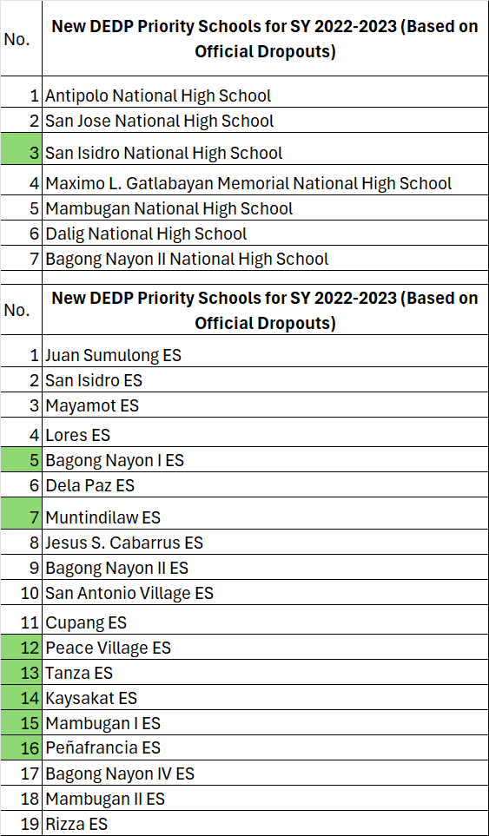
Activity | Objective/s | School | Schedule of TA | TA Receiver | MOV’s
Specify the activity and project title | List down at least three specific objectives | Identify the schools that will be provided with TA per Month |  | Identify the individuals who will be provided with TA | List down the evidences
SCHOOL MENTAL HEALTH PROGRAM | 1. To capacitate new Guidance Designates in their roles and responsibilities. | BN I ES, BN II ES, BN IV ES, Cupang ES, DPES, JSCES, JSES, Kaysakat ES, Lores ES, MBES I | July | School Head, School Guidance Coordinator | TA Feedback Results, TA Agreement Form, OKD Monitoring Tool
 | 2. To utilize the localize monitoring tool for SMHP. | MBES II, Mayamot ES, Penafrancia ES, Rizza ES, SAVES, San Isidro ES | August
 | 3. To ensure inclusion of School Mental Health Program in the schools' AIP. | Dalig NHS, Mambugan NHS, Maximo LGMNHS | September

Prepared by: |  |  |  | Checked by:

ARIAN MARIE B. SORIANO |  |  |  | DR. JONATHAN P. DOMINGO
Nurse II |  |  |  | SGOD Chief

 |  |  | January
 |  |  | February
 |  |  | March
 |  |  | April
 |  |  | May
 |  |  | June
 |  |  | July
 |  |  | August
 |  |  | September
 |  |  | October
 |  |  | November
 |  |  | December

